Modified Goals (Plan 5)
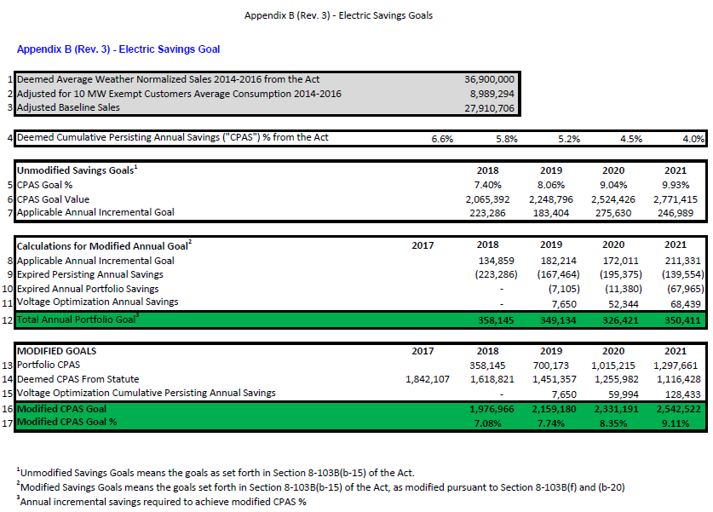
Most recent AIC electric savings goals are presented in Appendix B (Rev.3 ) to AIC's "Errata to Compliance dated November 12, 2020" filed March 3, 2021 in Docket 17-0311: https://www.icc.illinois.gov/docket/P2017-0311/documents/308601/files/537949.pdf
These goals are modified pursuant to 220 ILCS 5/8-103B(f) and (b-20).

Modified Goals (Plan 6)
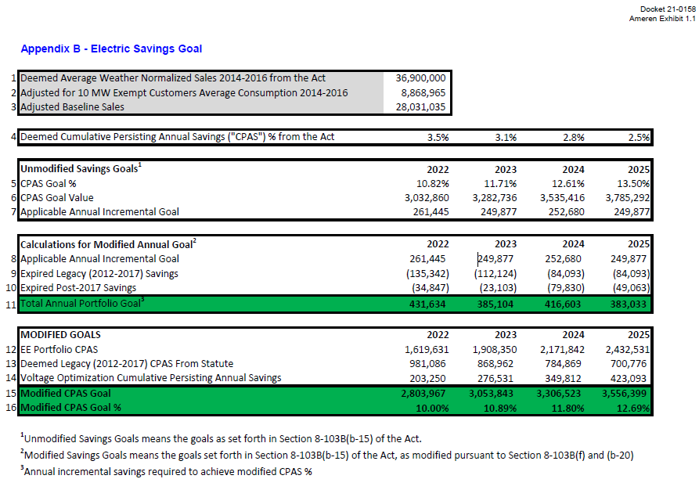
Most recent AIC electric savings goals are presented in Appendix B to AIC's Plan 6 filing, filed March 1, 2021 in Docket 21-0158: https://www.icc.illinois.gov/docket/P2021-0158/documents/308490/files/537769.pdf
These goals are modified pursuant to 220 ILCS 5/8-103B(f) and (b-20).
Note that these goals were approved as filed by the ICC in Docket 21-0185 but that future expected compliance filings due to the passage of CEJA may lead to changes.

CPAS Visualization
 | Legacy CPAS | 2018 Portfolio CPAS | 2019 Portfolio CPAS | 2020 Portfolio CPAS | 2021 Portfolio CPAS | Modified CPAS Goals as MWh
2018 | 1,618,821 | 377,775 |  |  |  | 1,976,966
2019 | 1,451,357 | 370,791 | 344,447 |  |  | 2,159,180
2020 | 1,255,982 | 367,672 | 344,234 | 442,517 |  | 2,331,191
2021 | 1,116,428 | 310,007 | 306,057 | 442,480 | 451,995 | 2,542,522
2022 | 981,086 | 307,402 | 302,895 | 441,021 | 451,995 | 2,803,967
2023 | 868,962 | 303,800 | 295,406 | 436,173 | 451,086 | 3,053,843
2024 | 784,869 | 294,062 | 264,586 | 411,418 | 446,329 | 3,306,523
2025 | 700,776 | 287,496 | 254,656 | 405,627 | 429,028 | 3,556,399
2026 |  | 280,866 | 244,736 | 398,671 | 425,994
2027 |  | 264,184 | 240,120 | 370,733 | 421,643
2028 |  | 136,354 | 237,729 | 367,891 | 397,489
2029 |  | 106,013 | 218,451 | 362,910 | 394,439
2030 |  | 96,965 | 173,322 | 326,073 | 388,631
CPAS Goal

